ReadMe
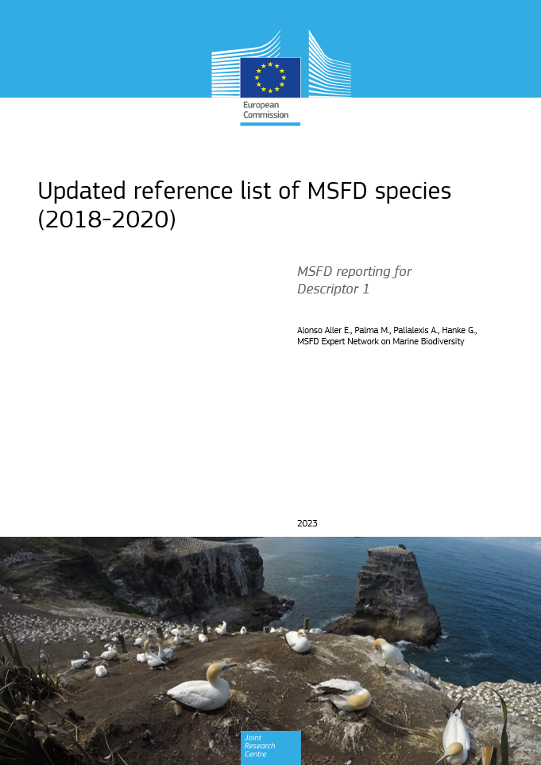
Updated reference list of MSFD species (2018-2020)
MSFD reporting for Descriptor 1
The reference list of species for the Marine Strategy Framework Directive (MSFD) was reviewed by JRC with the collaboration of the MSFD Expert Network on Marine Biodiversity. The review includes updates derived from the 2018 and 2020 Member States reports for species, following the recommendations listed in the COM DEC 2017/848/EU and was completed with the contribution of the marine biodiversity experts nominated by the EU Member States.
The species list aims at facilitating Member States data entry, as part of the MSFD reporting obligations while increasing consistency and harmonization across Member States.
The dataset consists of five spreadsheets, corresponding to each of the ecosystem components outlined in COM DEC 2017/848/EU: mammals, reptiles, birds, fish and cephalopods. The spreadsheets follow the same structure as the reference list of species published in 2018, described in detail in the corresponding report (Palialexis et al. 2018, available at: https://data.europa.eu/doi/10.2760/794186).

Versions | File name | Year | MSFD subdivisions
1st version created in 2018, before the Member States reporting for Art. 8, 9 and 10 | species_list.xlsx | 2018 | BAL | Baltic sea
2nd version includes updates of the 2018 and 2020 MS reports for species | species_list_v2.xlsx | 2022 | ANS | Greater North Sea incl. Kattegat and the English channel
 |  |  | ACS | Celtic Sea
Colours to guide the experts to select species of MSFD concern |  |  | ABI | Bay of Biscay and the Iberian Coast
Reported under MSFD | species already considered |  | AMA | Macaronesia
Assessed by RSC (QSR reports) | species should be considered by the Member States |  | MWE | Western Mediterranean Sea
Used by RSC (core/common indicators); included in RSCs' lists; included in CFP list | species could be considered by the Member States |  | MIC | Ionian Sea and the Central Mediterranean Sea
Other sources | explore possible relevance with MSFD |  | MAD | Adriatic Sea
Vagrants to EU waters | not relevant |  | MAL | Aegean Sea and Levantine Sea
Absent |  |  | BLK | Black Sea

